Sheet1
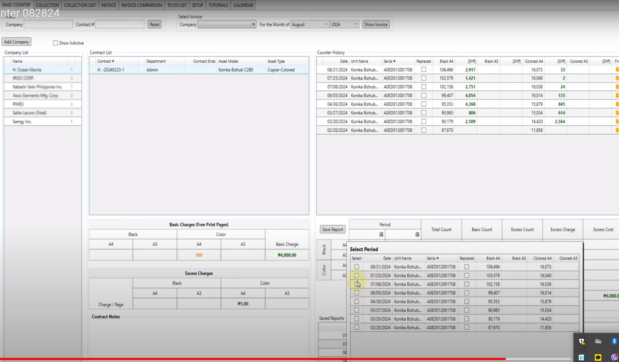
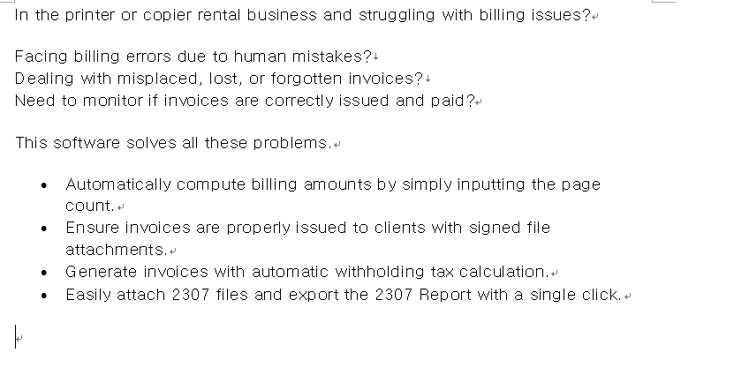

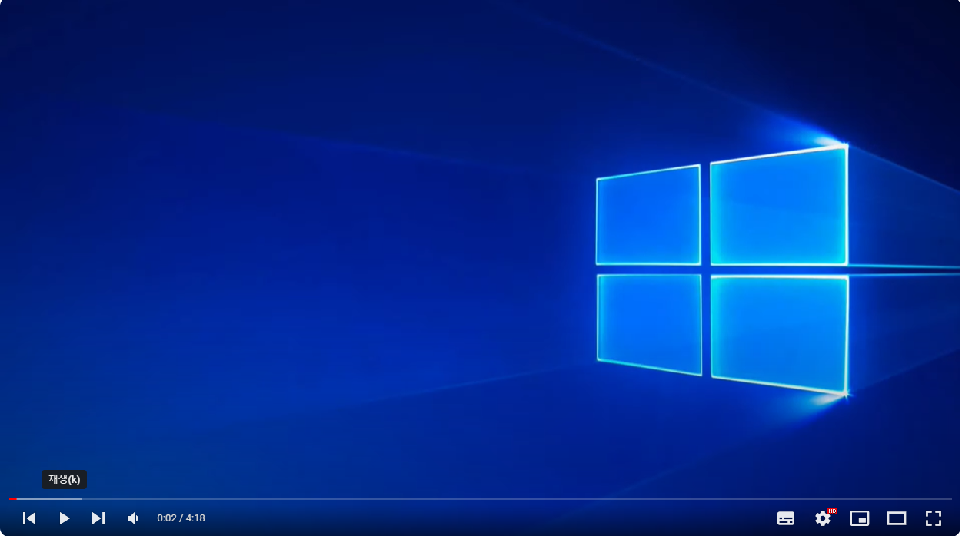

 |  |  |  |  | do not remove this copier and this window back ground

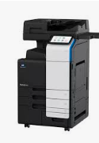

scene1 | head line stay and --- voice

sean 2 | display this text with voice

sean3 | this one display first
scene4 | display this text with voice also | task1 | after this task -- if there is time -- we can put acutall software image | no need to use anymation…just simply display as static image

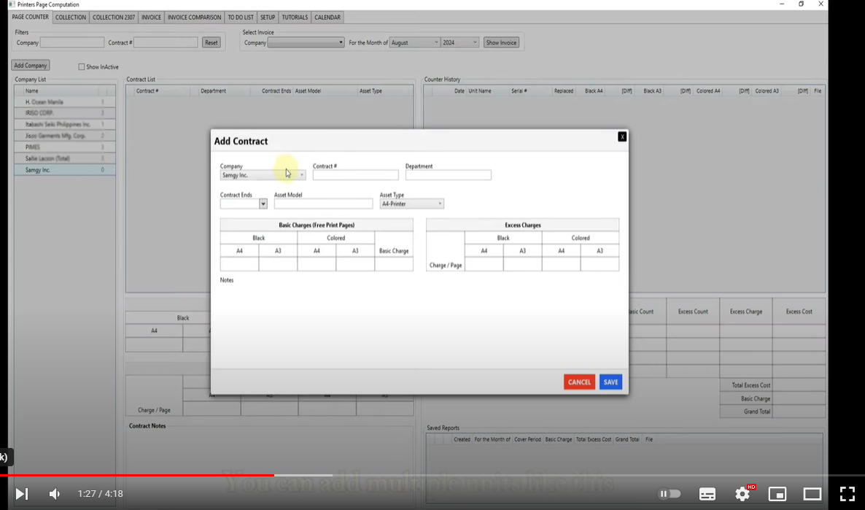
 |  |  |  | Page count tab
 |  |  |  | Invoice Tab

 |  |  |  | like this static image only
 |  |  |  | this image will stay 3 to 5 second

 |  |  |  | as long as time remaining

 |  |  |  | so customer will have a user interface
 |  |  |  | of software

